1. Title Page
[Data Analysis]

Project Name: Instacart Data Analysis
Date: 4/15/21
Analyst Name: Jesus Barcenas

Contents:
Population Flow
Consistency checks
Wrangling steps
Column derivations
Visualizations
Recommendations

Data Source

“The Instacart Online Grocery Shopping Dataset 2017”

Accessed from https://www.instacart.com/datasets/grocery-shopping-2017 on 4/15/2022
The price column is figurative for the purpose of this project.

Context

The Instacart stakeholders are interested in the variety of customers in their database along with their purchasing behaviors. They assume they can't target everyone using the same methods, and they’re considering a targeted marketing strategy.
They want to target different customers with applicable marketing campaigns to see whether they have an effect on the sale of their products

Objective

Perform an initial data and exploratory analysis of Instacart's data in order to dervice insights and suggest strategies for better segmentation based on the provided criteria.

2.Population flow
 | Title page

Population flow

Exclusion flag
Condition: max_order < 5
Obervations to be removed: 1,440,295
Final total count of order_products_all: 30,964,564

Orders_products_combined
Orders_products_merged
Orders_products_all

Total: 32,404,859
Total: 32,434,489
Total:
32,404,859

1.) The grey boxes in the first row of the population flow represent the original data sets as they were when you downloaded them. In the Total fields you need to add the count of the rows when you imported the data set into Jupyter.
2.) The second row of boxes (coloured) represents the data sets after you manipulated them, e.g., removed missing values and duplicates. In the Total fields you need to add the count of the rows after conducting these operations. This offers a visual oveview of how the data flows throughout the data consistency checks.
3.) The third row, where also the arrows are coloured, represents the merges you performed between the datasets. In the Total fields you need to add the count of the rows in the merged datasets, so that you end up with the final dataset (in the red box). Keep in mind the final dataset should be without exclusions (based on the exclusion flag).

3. Consistency checks
 |  |  |  | Title page
Consistency checks

Dataset | Missing values | Missing values treatment | Duplicates
orders | days_since_prior_order (206,209 values) | No action; flag was created for first time customers
products | product_name (16 values) | Created new dataframe without missing values | 5 values - new dataframe created without duplicates
orders_products_prior | N/A | N/A | N/A
customers | first_name (11,259 values) | No action; rows still contained other valuable information

4. Wrangling steps
 |  |  |  | Title page
Wrangling steps

Columns dropped | Columns renamed | Columns' type changed | Comment/Reason
eval_set |  |  | Irrelevant to analysis
 | order_dow (to: orders_day_of_the_week) |  | Make name more intuitive
 |  | order_id (int to str) | Not performing numeric functions
 |  | user_id (int to str) | Not performing numeric functions
 |  | product_name (mixed data to str) | Make data type consistent
 | First Name (to: first_name) |  | Consistent column naming convention
 | Last Name (to: last_name) |  | Consistent column naming convention
 | n_dependants (to: num_of_dependants) |  | Consistent column naming convention
 |  | first_name (mixed data to str) | Make data type consistent
first_name |  |  | PII data
last_name |  |  | PII data

5. Column derivations
 |  |  |  | Title page

Column derivations and aggregations

In this tab you should add tables below that the frequences of flags/label variables that you produced after deriving them. NB: don't do this for continuous variables, only for flags.
Dataset | New column | Column/s it was derived from | Conditions
orders_wrangled | first_order | days_since_prior_order | ['days_since_prior_order'].isnull() == True
orders_products_merged | price_range_loc | prices | df.loc[df['prices'] > 15, 'price_range_loc'] = 'High-range product'
 |  |  | df.loc[(df['prices'] <= 15) & (df['prices'] > 5), 'price_range_loc'] = 'Mid-range product'
 |  |  | df.loc[df['prices'] <= 5, 'price_range_loc'] = 'Low-range product'

orders_products_merged | busiest_day | orders_day_of_the_week | if value == 0:
 |  |  | result.append("Busiest day")
 |  |  | elif value == 4:
 |  |  | result.append("Least busy")
 |  |  | else:
 |  |  | result.append("Regularly busy")

orders_products_merged | busiest_days | orders_day_of_the_week | if (value == 0) or (value == 1):
 |  |  | results2.append("Busiest days")
 |  |  | elif (value == 4) or (value == 3):
 |  |  | results2.append("Least busy days")
 |  |  | else:
 |  |  | results2.append("Regularly busy days")

orders_products_merged | busiest_period_of_day | order_hour_of_day | for value in df_ords_prods_merged['order_hour_of_day']:
 |  |  | if (value >= 9) and (value <= 16):
 |  |  | results_3.append("Most orders")
 |  |  | elif (value == 7) or (value == 8):
 |  |  | results_3.append("Average orders")
 |  |  | elif (value >= 17) and (value <= 22):
 |  |  | results_3.append("Average orders")
 |  |  | else:
 |  |  | results_3.append("Fewest orders")

orders_products_merged_2 | loyalty_flag | max_order | df_ords_prods_merged.loc[df_ords_prods_merged['max_order'] > 40, 'loyalty_flag'] = 'Loyal customer'
 |  |  | df_ords_prods_merged.loc[(df_ords_prods_merged['max_order'] <= 40) & (df_ords_prods_merged['max_order'] > 10), 'loyalty_flag'] = 'Regular customer'
 |  |  | df_ords_prods_merged.loc[df_ords_prods_merged['max_order'] <= 10, 'loyalty_flag'] = 'New customer'

orders_products_merged_2 | spender_flag | avg_order_cost_by_cust | df_ords_prods_merged.loc[df_ords_prods_merged['avg_order_cost_by_cust'] < 10, 'spender_flag'] = 'Low spender'
 |  |  | df_ords_prods_merged.loc[df_ords_prods_merged['avg_order_cost_by_cust'] >= 10, 'spender_flag'] = 'High spender'

orders_products_merged_2 | frequency_flag | order_frequency_by_cust | df_ords_prods_merged.loc[df_ords_prods_merged['order_frequency_by_cust'] > 20, 'frequency_flag'] = 'Non-frequent customer'
 |  |  | df_ords_prods_merged.loc[(df_ords_prods_merged['order_frequency_by_cust'] <= 20) & (df_ords_prods_merged['order_frequency_by_cust'] > 10), 'frequency_flag'] = 'Regular customer'
 |  |  | df_ords_prods_merged.loc[df_ords_prods_merged['order_frequency_by_cust'] <= 10, 'frequency_flag'] = 'Frequent customer'

orders_products_customers_merged | region | state | Loop with if-statement creating region values (Northeast, Midwest, South, West) depending on the state

orders_products_customers_merged | activity_flag | max_order | ords_prods_custs_merged_2.loc[ords_prods_custs_merged_2['max_order'] < 5, 'activity_flag'] = 'Low activity'
 |  |  | ords_prods_custs_merged_2.loc[ords_prods_custs_merged_2['max_order'] >= 5, 'activity_flag'] = 'Normal activity'

orders_products_customers_merged | generation | age | Loop with if-statement creating generation values (Gen Z, Gen X, Baby Boomers, etc.) depending on the age

orders_products_customers_merged | income_group | income | Loop with if-statement creating income_group values depending on income

orders_products_customers_merged | parent_status | number_of_dependants | loc() function created 'Parent' or 'Non-parent' values depending on number of dependants (0 or >=1)

orders_products_customers_merged | weekday | orders_day_of_the_week | loc() function created name of day (Monday, Tues, etc.) depending on the orders_day_of_the_week value (0-6)

orders_products_customers_merged | department_name | department_id | loc() function created department name depending on the department_id value

orders_products_customers_merged | best_seller | list was created for the top 10 selling product names, which was derived by using the sum agg function for 'prices' grouped by 'product_name' | Loop with if-statement creating 'Top 10 selling product' or 'Not applicable' values depending if product_name was in the list

6. Visualizations
 |  |  |  |  |  |  |  | Title page

Visualisations

In this tab you should include all the visualtions from Exercises 4.9 and 4.10, alongside the questions from the project brief that they answer. Include any commentary on the relationship between different variables.

1. What are the busiest days of the week and hours of the day?
2. Are there particular times of the day people spend the most money?
3. Is there a way to use simpler price range groupings to help marketing and sales with their efforts?
4. Are there certain types of products more popular than others? Which departments have the highest frequency of product orders?
5. The marketing and sales teams are particularly interested in the different types of customers in their system and how their ordering behaviors differ.
 | a. What's the distribution among users in regard to their brand loyalty (i.e., how often do they return to Instacart?)
 | b. Are there differences in ordering habits based on a customer’s loyalty status?
 | c. Are there differences in ordering habits based on a customer’s region?
 | d. Is there a connection between age and family status in terms of ordering habits?
 | e. What different classifications does the demographic information suggest? Age? Income? Certain types of goods? Family status?
 | f. What differences can you find in ordering habits of different customer profiles?

1. What are the busiest days of the week and hours of the day?

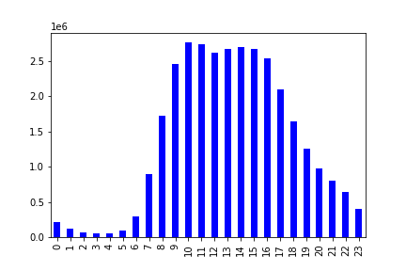

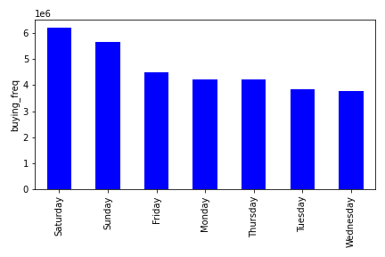

Weekends tend to be the busiest days for ordering. Saturdays see the most activity and activity slows during the middle of the week.

Most orders occur during the 10 am to 5pm span when people are most likely ordering lunch
The peak is around 10 am - 3 pm which is normal lunch hours for most people working.

2. Are there particular times in the day when people spend the most money?

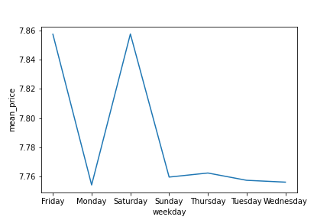
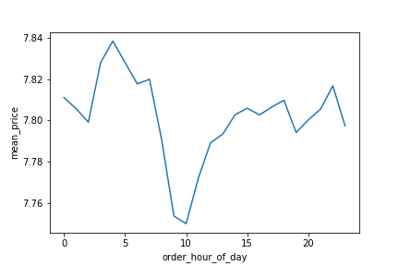

More money is spent on the the early hours between 3 and 6 am. This has the lowest amount of orders but higher priced orders.

The lower priced orders are purchased mostly around 10, assuming it is low cost breakfast/snack foods and as lunch time 12- 3pm approaches, prices go up again

Customers again purchase higher priced items during weekends .

3. Is there a way to use simpler price range groupings to help marketing and sales with their efforts?

 |  | Price frequency |  |  | orders by price |  |  |  |  | Sales by product price range

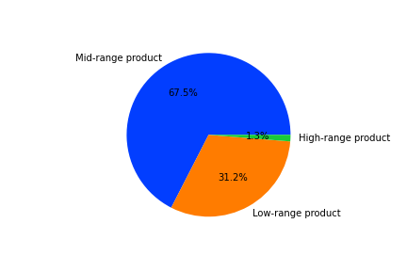
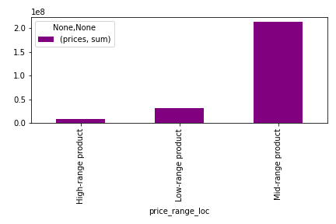

 |  |  | cost 0 - $25

 | Majority of products are priced between $1.00 and $15.00

 | mid range products lead to more sales as they are ordered the most and are the most kept in the inventory.

4. Are there certain types of products more popular than others? Which departments have the highest frequency of product orders?

 |  | Top 10 products by Sales |  |  | Order frequency by Department
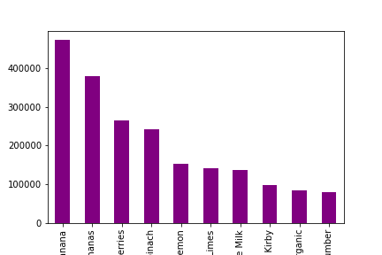

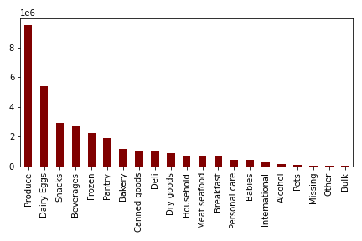

Produce is the highest ordered department and the top selling producats are fruits and vegtables.

5.a What's the distribution among users in regard to their brand loyalty (i.e., how often do they return to Instacart?)

 |  | Customer Loyalty Status (%)
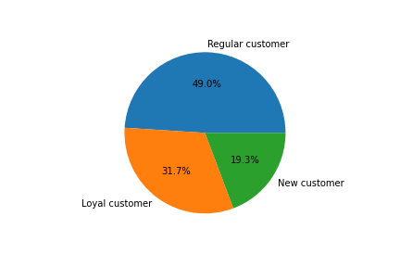

Almost half of the customer base are regular customers and loyal customers are the 2nd largest group. New customers actually make up the smallest percentage

5.b Are there differences in ordering habits based on a customer’s loyalty status?

 |  |  |  |  |  |  |  |  | Department Order Frequency by Loyatly Status
 | Customer Frequency by Loyalty Status
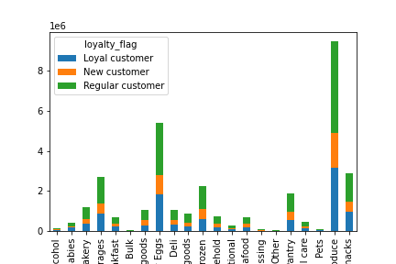
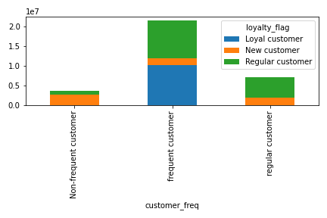

 |  |  |  |  | loyalty_flag (max orders)
 |  |  |  |  | > 40 orders: Loyal Customer
 |  |  |  |  | 11-40 orders: Regular Customer
 |  |  |  |  | <= 10 orders: New Customer

 |  |  |  |  | frequency_flag ( median days since prior order)
 |  |  |  |  | > 20 days = Non-frequent
 |  |  |  |  | 11-20 days = Regular
 |  |  |  |  | <=10 days = Frequent

Majority of customers are frequent and tend to reorder within 10 days.

Newer Customers do not order as frequently.

Customers with loyalty status of Regular are placing the most orders across apartments.

5.c Are there differences in ordering habits based on a customer’s region?

 |  | Department orders by Region |  |  |  |  | Weekday orders by Region

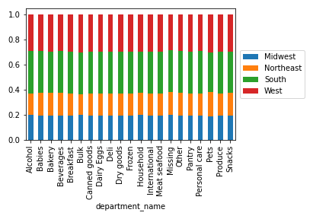
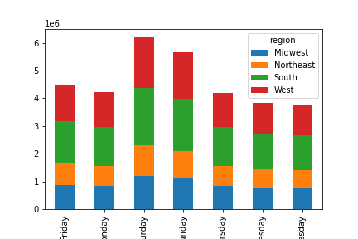

The south and western regions order the most out of all departments.

Satuday and Sunday have the largest volume of orders for all regions.

5.D Is there a connection between age and family status in terms of ordering habits?

 | Department orders by generation |  |  |  | Department orders by proportion by age groups

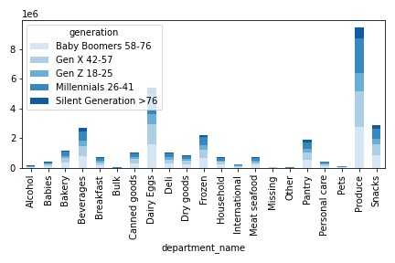
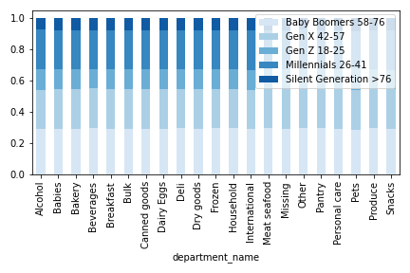

 | Department orders by family status |  |  |  | Department orders by proportion by family status

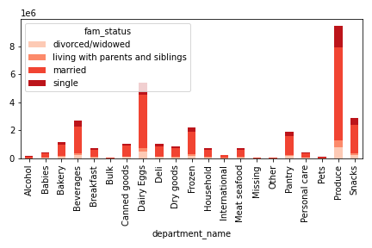
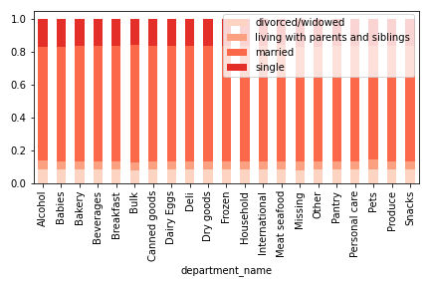

Gen X, Millennials, and Baby boomers make up the most orders across departments.

Married customers make up the majority of orders across departments.

Produce and dairy and eggs are the top ordered departments.

5.e What different classifications does the demographic information suggest? Age? Income? Certain types of goods? Family status?

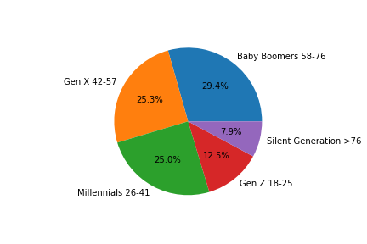

 |  | Sales by income Group |  |  |  | Customers by income group
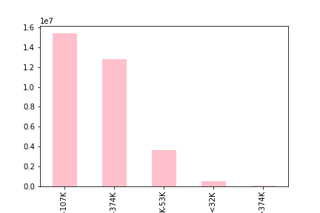
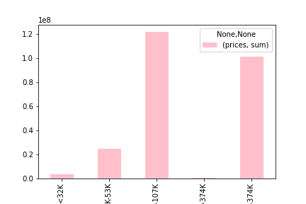

 |  |  |  | Customers by Family status
 |  |  |  |  |  |  |  | Sales by Family status
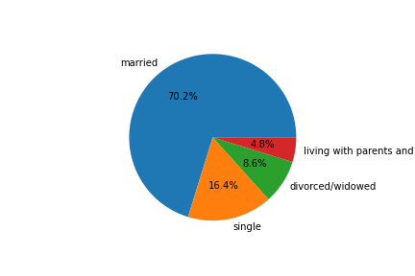
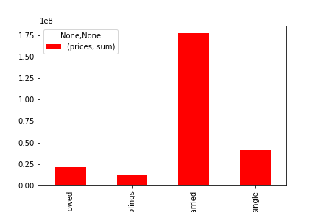

Majority of customers are Baby Boomers, Millennials, and Gen X

The higher the spending power the more orders and sales are made.

70% of customers are married and is least popular with customers with parents and siblings.

5.F What differences can you find in ordering habits of different customer profiles?

 |  |  | Weekday Order Frequency by Parent status |  |  |  |  | Hour Frequency by Parent status
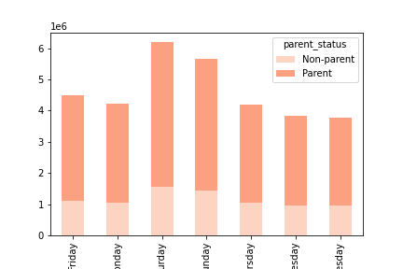

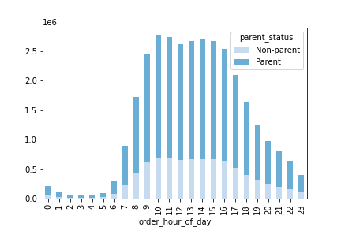

 | Customer Generation and Spending Habit |  |  |  |  | Weekday order frequency by Generation

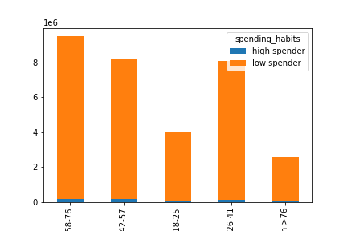

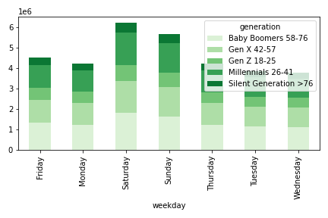

Parents are making the most orders throughout the day and week.

Gen Z tends to have less income and still live with parents so they do spend/order as much.

Silent generation is not technology savvy and so although they have the highest spending power, they prefer shopping in person.

Overall, there is not significant difference in ordering habits generation wise.

7. Recommendations
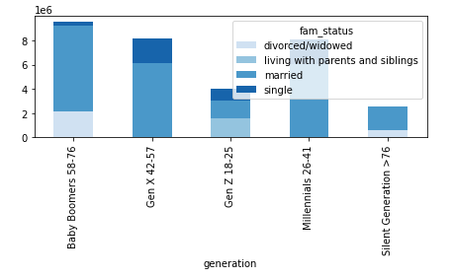
 |  |  |  |  |  |  |  |  | Title page

Recommendations

In this tab you should include any recommendations you would made to Instacart in terms of their marketing strategy based on the questions posed in the brief. Every key question has been covered in the Tasks of the Exercises - here you need to add an item - a visualization or table/crosstable that is showing the answer in the data, accompanied by a comment from you. Please, list the questions below and add the answer underneath.

Question #1
What are the busiest days of the week and hours of the day?

Response
Weekends are the busiest days for ordering, Saturday being the most popular day. Orders tend to be less during mid-week.

Most orders occur during afternoon hours, 10am being the busiest hour. Orders tend to pick up around 7am, hit their peak during 10am-3pm, then start to drop afterward.

Recommendation
Schedule more advertisements during middle of the week (Tuesday-Thursday) to create more sales on slower days. The advertising channels used will be dependent on customer profiles.

 |  | Order Frequency by Weekday |  |  |  | Order Frequency by Hour of Day


Question #2
Are there particular times of the day people spend the most money?

Response
More money is spent during 3am-6am, this is the same time period when the lowest amount of orders are made. The opposite applies to 10am, the time when the most orders are made yet least amount of money is spent.

Customers also spend more during the weekends, particular Friday and Saturday.

Recommendation
Focus on advertising higher-priced products during morning hours in order to increase sales.

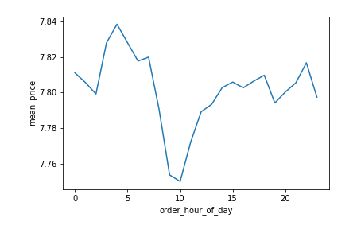
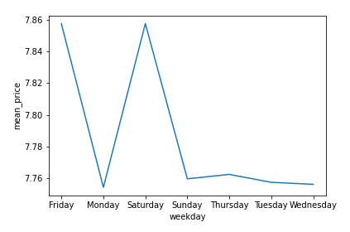

Question #3
Is there a way to use simpler price range groupings to help marketing and sales with their efforts?

Response
Majority of the products are priced between $1.00-$15.00. Products were categorized into mid-range, high-range, and low-range to simplify the price range groupings.

67.5% of the products fall under the mid-range category. Mid-range products also make more sales compared to the other product types.

Recommendation
Keep most products in the mid-range price as this is the group driving majority of the sales.
The allocation may need to be adjusted depending on the type of customers Instacart is trying to target. Ex: Increasing high-range products to attract high-earning customers.


 |  | Price Frequency
 |  |  |  |  |  |  | Price Frequency (%) |  |  |  |  | Sales by Products

 |  |  |  |  |  |  |  |  |  | Product Pricing ($)
 |  |  |  |  |  |  |  |  |  | Low range: 0-5
 |  |  |  |  |  |  |  |  |  | Mid-range: 5-15
 |  |  |  |  |  |  |  |  |  | High range: >15

Question #4
Are there certain types of products more popular than others? Which departments have the highest frequency of product orders?

Response
Produce department has the highest frequency of orders. Most of the top-selling products are fruits or vegetables.

Recommendation
Center advertisements and promotions around the top selling items, particularly produce. Other popular departments should also be considered such as dairy eggs and snacks.

 |  |  | Top 10 Products by Sales |  |  |  |  |  | Order Frequency by Department
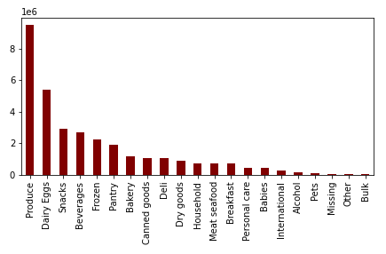

Question #5a
What's the distribution among users in regard to their brand loyalty (i.e., how often do they return to Instacart?)

Response
Nearly half of the customers are regular customers. 'Loyal customer' is the next biggest group followed by 'New Customer'.

Recommendation
Create a customer loyalty program to retain loyalty from current loyal customers and convert regular customers to loyal. The program will also incentivize new customers to return to Instacart through discounts and special offers.

 |  |  | Customer Loyalty Status (%)
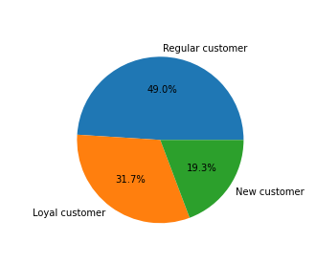

Question #5b
Are there differences in ordering habits based on a customer’s loyalty status?

Response
Most customers are frequent and tend to order within 10 days, particularly those who are classified as 'Loyal' or 'Regular'. Newer customers are not ordering as frequently in comparison.

Customers with the loyalty status of 'Regular' (11-40 orders) are placing majority of the orders across the departments.

Recommendation
Market research should be conducted to see why some people do not return to Instacart. There could be issues with the website or services that need to be addressed.

 |  |  |  |  |  |  |  |  |  |  | Department Order Frequency by Loyalty Status
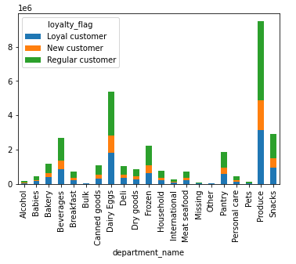
 |  |  | Customer Frequency Status by Loyalty Status
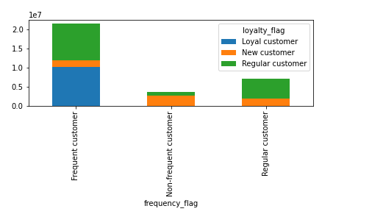
 |  |  |  |  | loyalty_flag (max orders)
 |  |  |  |  | > 40 orders: Loyal Customer
 |  |  |  |  | 11-40 orders: Regular Customer
 |  |  |  |  | <= 10 orders: New Customer

 |  |  |  |  | frequency_flag (median days since prior order)
 |  |  |  |  | > 20 days: Non-frequent
 |  |  |  |  | 11-20 days: Regular
 |  |  |  |  | <=10 days: Frequent

Question #5c
Are there differences in ordering habits based on a customer’s region?

Response
There are no significant differences in ordering habits based on a customer's region.

Recommendation
Marketing and advertising efforts should be evenly distributed throughout the regions.

 |  | Proportion of Department Orders by Region |  |  |  |  |  | Weekday Orders by Region
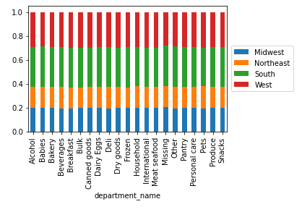
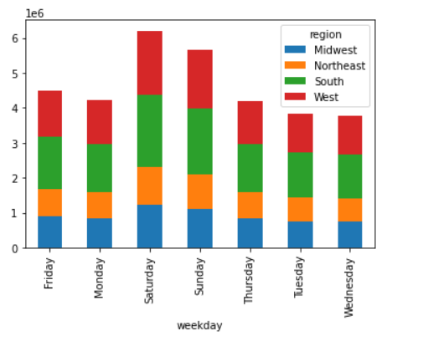

Question #5d
Is there a connection between age and family status in terms of ordering habits?

Response
On average, there is not a significant difference between age and family status in terms of ordering habits.

However, it should be noted that quantity-wise, most orders across the departments are coming from Baby Boomers, Gen X, and Millennials. The Silent Generation and Gen Z groups do not place many orders in comparison.

Married customers make up majority of the orders across all departments as well.

Recommendation
Please view Recommendation for Question #5e as the visualizations are related.

 |  |  | Average Price & Order Number by Age Group |  |  |  |  | Proportion of Department Orders by Age Group
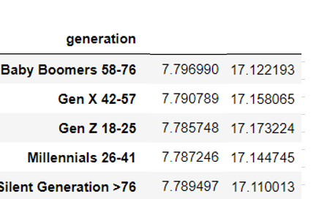

 |  |  |  | Average Price & Order Number by Family Status |  |  |  | Proportion of Department Orders by Family Status

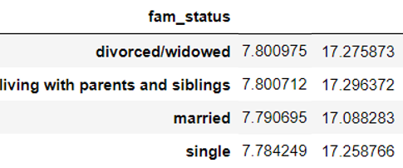

Question #5e
What different classifications does the demographic information suggest? Age? Income? Certain types of goods? Family status?

Response
Majority of the customers are Baby Boomers, followed by Gen X and Millennials.

Customers in the middle-class group are driving most of the Instacart orders and sales.

Majority of the customers are married and are also the same family status group generating the most orders and sales. Instacart is least popular with people living with parents and siblings.

Recommendation
Make efforts to grow the millennial customer base. They make up 25% of the customers and this age group will be grocery shopping for years to come, more years compared to Baby Boomers and Gen X.

Explore the possibility of growing customers in higher income brackets. Customers earning between 107K-307K produced the most sales after the middle class group.

Look into growing the market share of 'single' customers.

 |  | Customers by Age Group
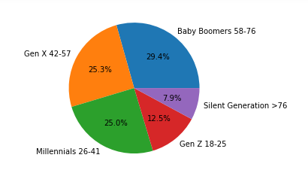

 |  | Customers by Income Group |  |  |  |  |  | Sales by Income Group

 |  |  |  |  |  |  |  |  | Sales by Family Status
 |  | Customers by Family Status
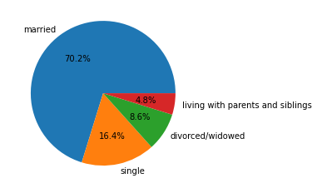

Question #5f
What differences can you find in ordering habits of different customer profiles?

Response
Parents are making most of the orders throughout the day and week.

Instacart is not as popular to those in the Gen Z and Silent Generation categories. They do not make as much sales and have a lower amount of high spender customers compared to other groups.

Gen Z tends to make less money and have less purchasing power as a result. A good amount of them live with their parents and it is most likely the parents doing their grocery shopping.

Silent Generation has more purchase power but it's possible they get assistance with grocery shopping from another person due to age. They also may not be as technologically dependent and prefer shopping in person vs using an app.

Instacart is more popular with Baby Boomers, Gen X, and Millennials. These groups more purchasing power and tend to be married with children.

Overall, order habits throughout the week is similar for all age groups.

Recommendation
Marketing and advertising efforts should be targeted towards people aged 26-57. Majority of these customers are married and have children, these types of customers tend to do more grocery shopping.

High earning customers tend to be either Baby Boomers, Gen X'ers, or older Millennials and Instacart should look into attracting more of these customers.

Advertising should be done heavily through emails and social media platforms such as Facebook and Instagram.

 | Weekday Order Frequency by Parent Status |  |  |  |  |  | Hour Order Frequency by Parent Status

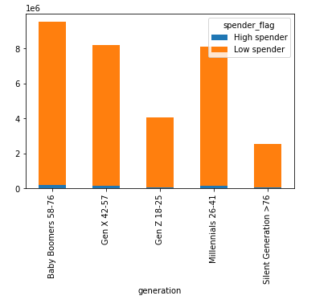
 | Customers by Age Group and Spending Habit
 |  |  |  |  |  |  |  |  | Age vs. Income
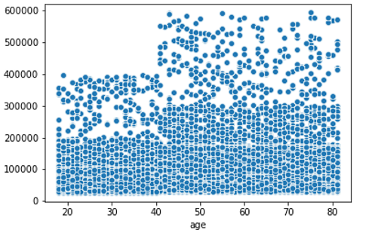

 | Weekday Order Frequency by Age Group
 |  |  |  |  |  |  |  | Customers by Age Group and Family Status

